Application Screen
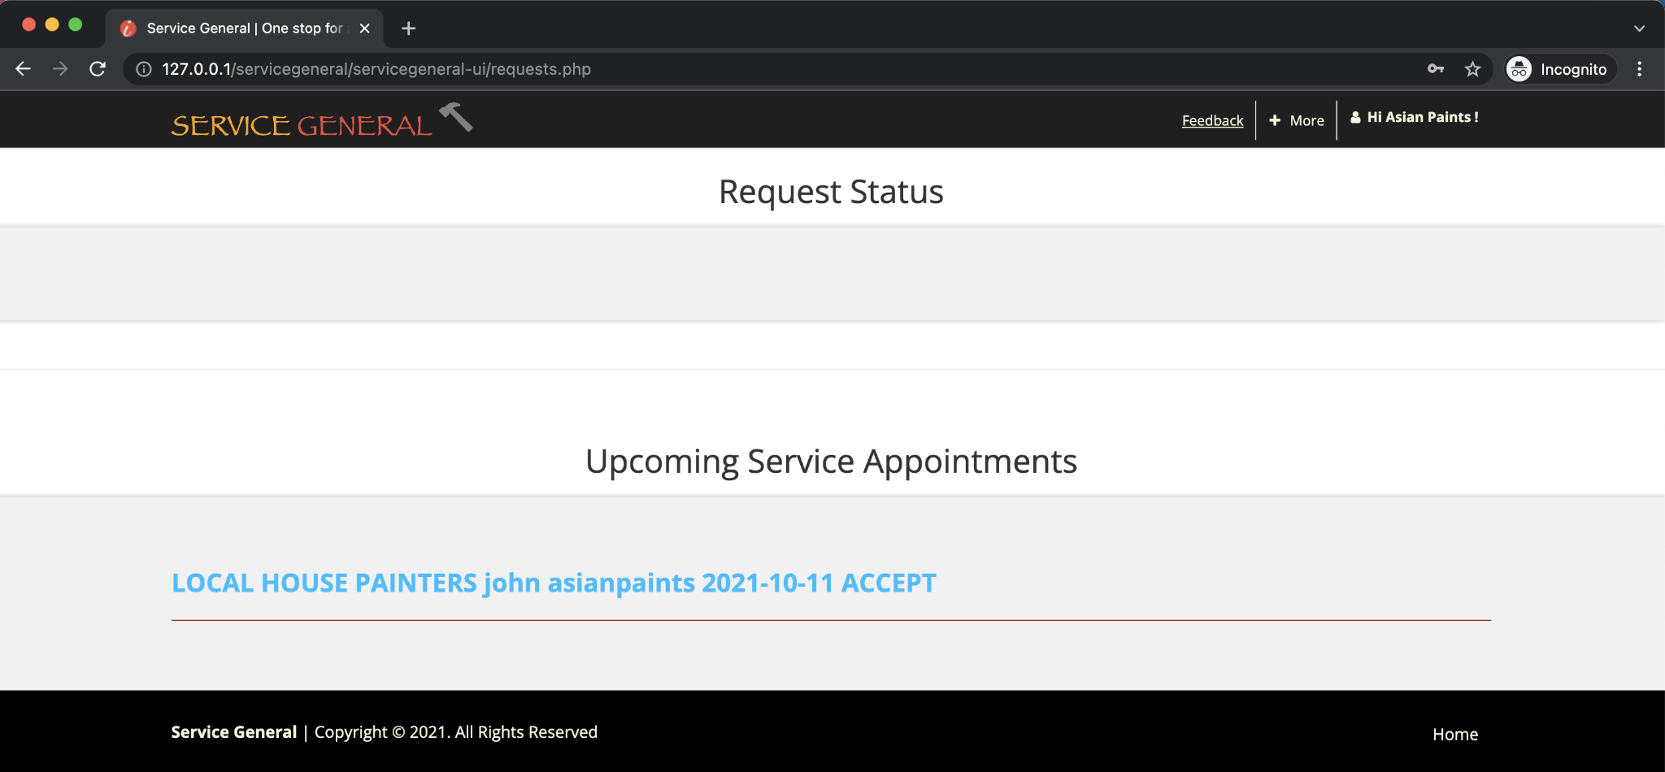
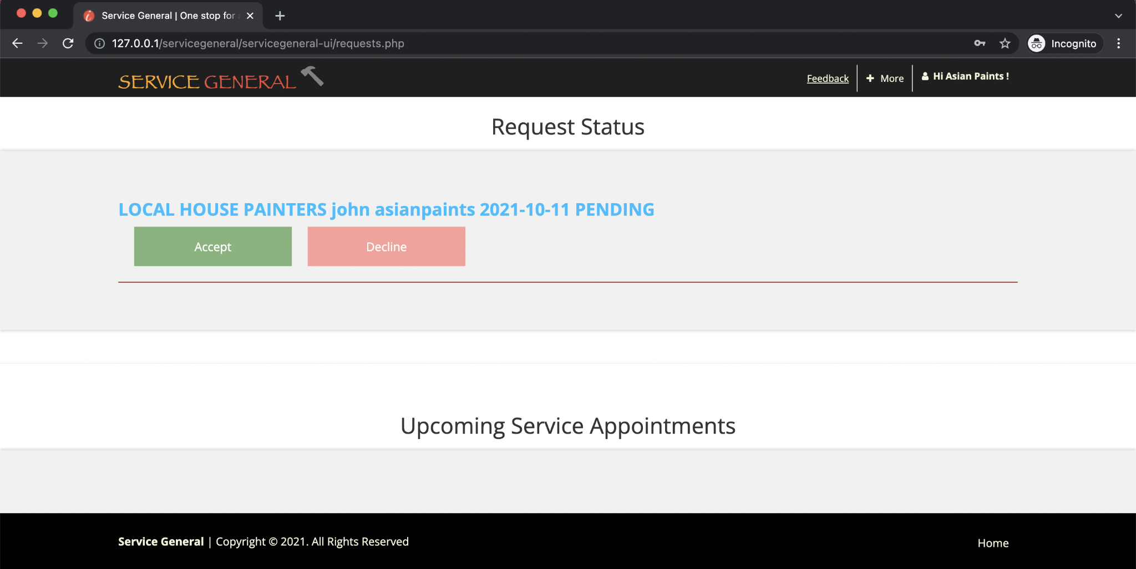
 | Login Page for Service Provider | Dashboard for Service Provider
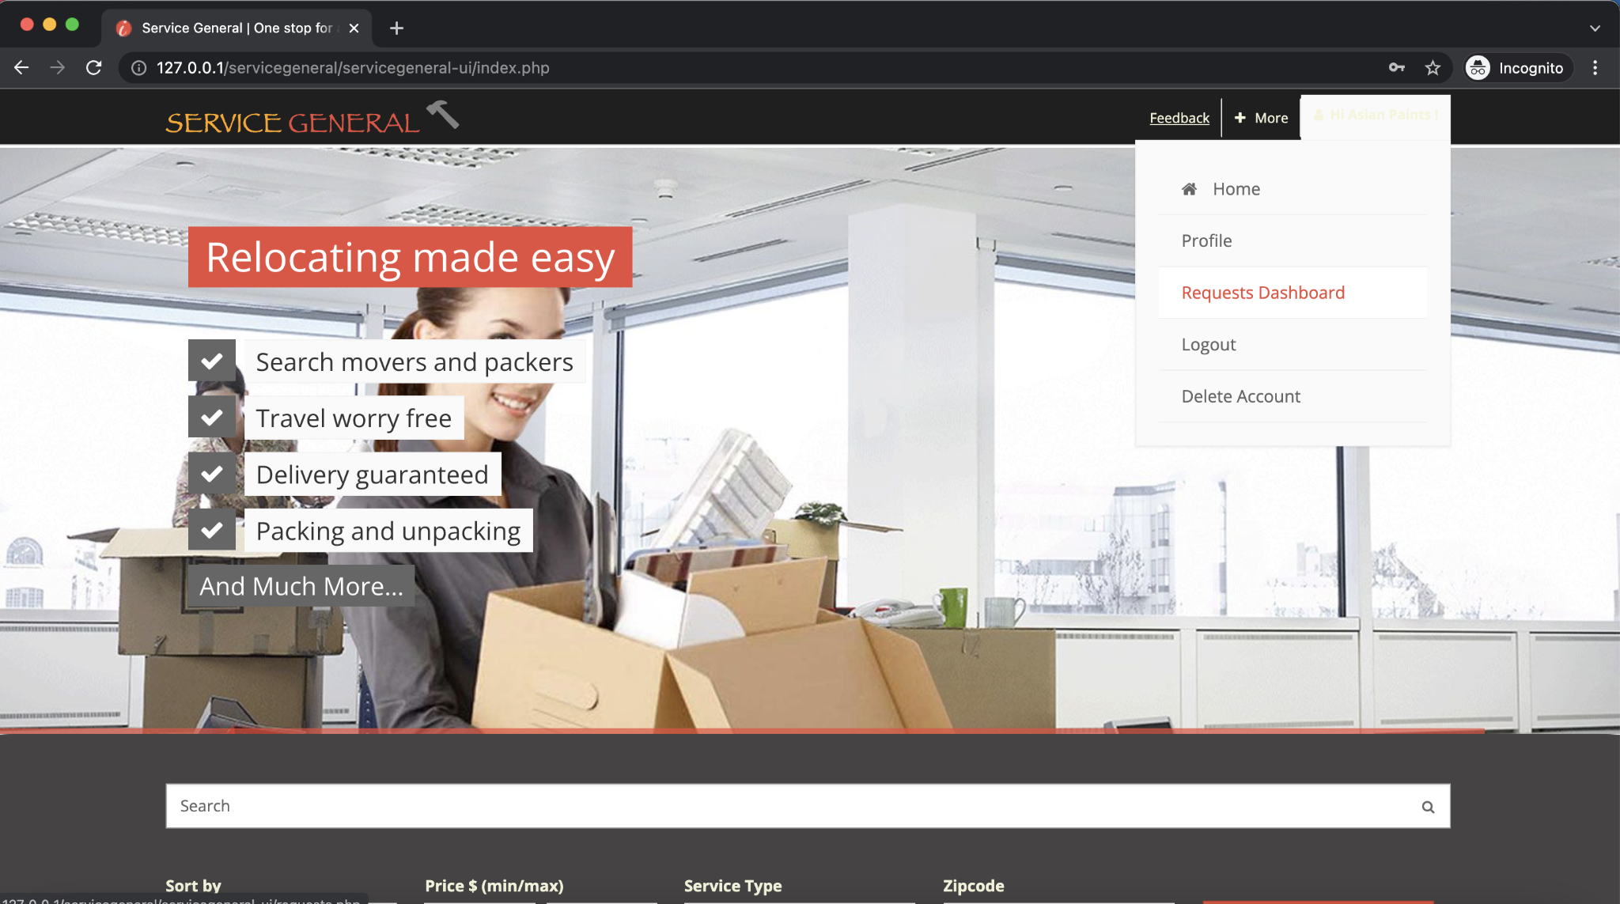

Service Provider's Upcoming Services

Test Case 3
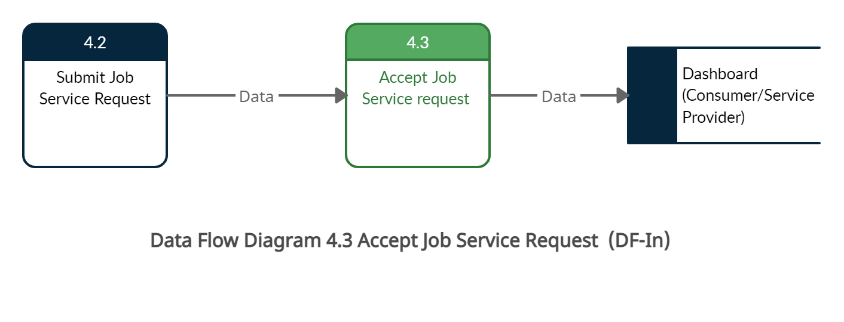
TC Title: | TC3. Accept Job Service Request - DF-In - Data Flow In

TC Objective: | This test case validates the data flows in to the Accept Job Service Request feature from the Submit Job Service Request feature

TC Description
 | Step | Step Description | Expected Results
 | 1 | Login as service provider (Verizon Data) Verify that when consumer submits a service request the service provider is able to see the request details. | Subscribed service provider should be able to see the requested service details with date.Verizon to provide Internet service to John Smith on 10-16-2021 | Status Pending For Acceptance

Test Case 5
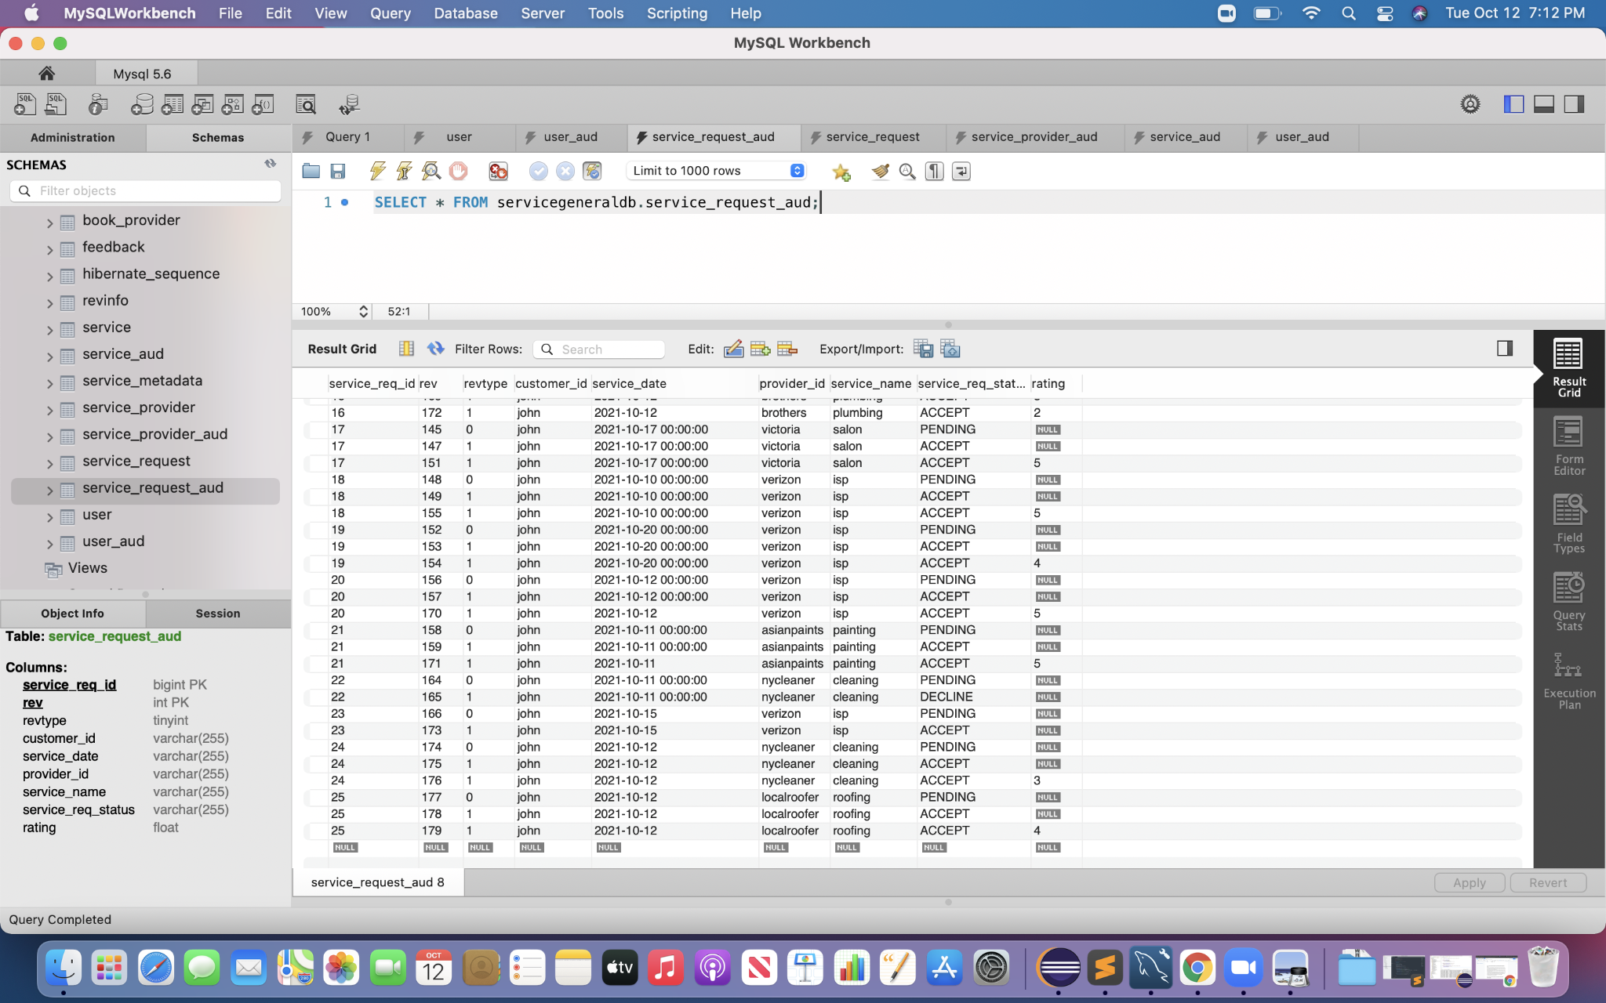
TC Title: | TC5. Accept Job Service Request - Auditing (AU)

TC Objective: | Verify that all the activities related to Accept Job Service Request are successfully logged into the system

TC Description
 | Step | Step Description | Expected Results
 | 1 | Submit a job service request using a consumer account. | The activity of Submit Request should be stored with status 'Pending' in audit table
 | 2 | Click on Accept Service Request Button | The activity of the Accept Service Request should be stored in the database with user details with status as 'ACCEPT'

